Sheet1
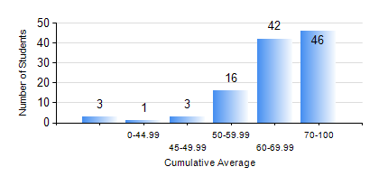
 |  |  | KWAME NKRUMAH UNIVERSITY OF SCIENCE AND TECHNOLOGY, KUMASI Department of Petroleum Engineering

 |  |  | BSC. PETROLEUM ENG.

 |  |  | COMPREHENSIVE RECORD OF EXAMINATION RESULTS

 |  |  | RESULTS OF YEAR 3 SECOND SEMESTER, 2020/2021 ACADEMIC YEAR

 | Sn | Course Code |  | Course Name | Credit Hours | Min. Mark | Max. Mark | Avg. Mark | Std. Dev. | No. Passed | No. Trailed | No. (Df) | No. (I) | No. (I*) | No. Tagged(I,I*,Df) | Total
 | 0. |  |  |  |  |  |  | 0 | 0 | 0 | 0 | 0 | 0 | 0 | 0 | 3
 | 1. | CHE 358 |  | NUMERICAL METHODS FOR CHEMICAL ENGINEERS | 2 | 2 | 87 | 58 | 15.72 | 97 | 11 | 0 | 0 | 0 | 0 | 108
 | 2. | PETE 350 |  | DRILLING ENGINEERING | 3 | 22 | 84 | 60 | 11.45 | 106 | 2 | 0 | 0 | 0 | 0 | 108
 | 3. | PETE 352 |  | PETROLEUM GEOLOGY | 3 | 27 | 87 | 56 | 13.28 | 101 | 7 | 0 | 0 | 0 | 0 | 108
 | 4. | PETE 354 |  | PRODUCTION ENGINEERING | 3 | 42 | 87 | 67 | 11.13 | 108 | 0 | 0 | 0 | 0 | 0 | 108
 | 5. | PETE 356 |  | PETROLEUM ENGINEERING LABORATORY II | 2 | 40 | 91 | 69 | 8.42 | 108 | 0 | 0 | 0 | 0 | 0 | 108
 | 6. | PETE 358 |  | WELL PERFORMANCE | 3 | 2 | 78 | 55 | 14.04 | 98 | 10 | 0 | 0 | 0 | 0 | 108
 | 7. | PETE 360 |  | GEOSTATISTICS | 2 | 40 | 90 | 67 | 11.65 | 108 | 0 | 0 | 0 | 0 | 0 | 108
 | 8. | PETE 362 |  | OIL AND GAS FOR GEOPHYSICS | 2 | 27 | 94 | 75 | 11.86 | 106 | 2 | 0 | 0 | 0 | 0 | 108

